Reports Sample
Customer Detail Statement
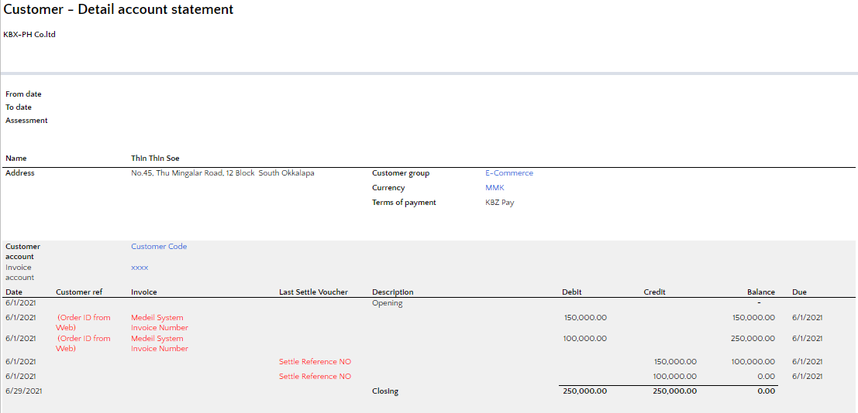

Sale Order Report/ Sale Register

Inventory Valuation Report
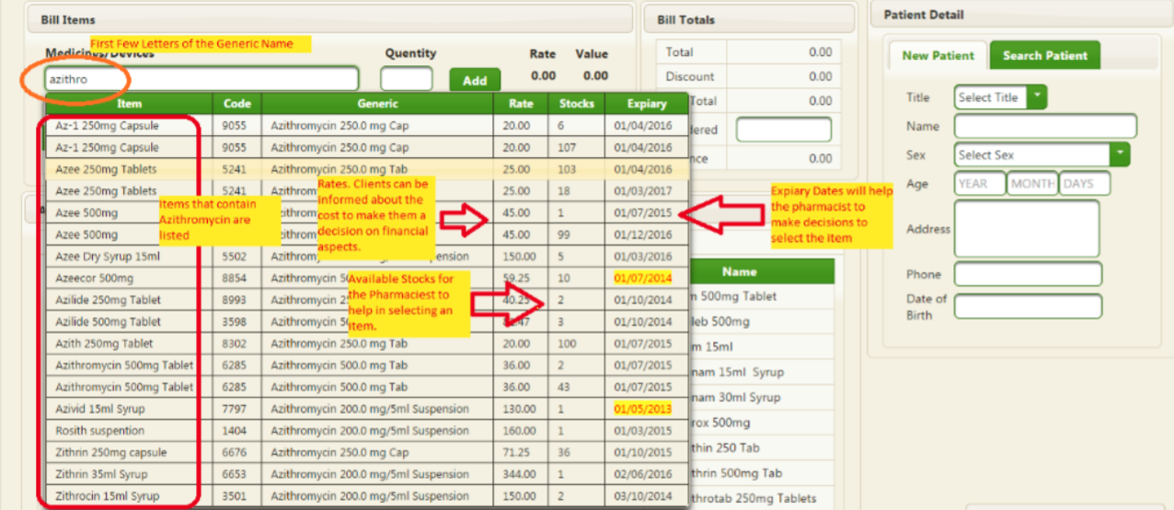
ok

Inventory on hand report

ok

Inventory Aging Report

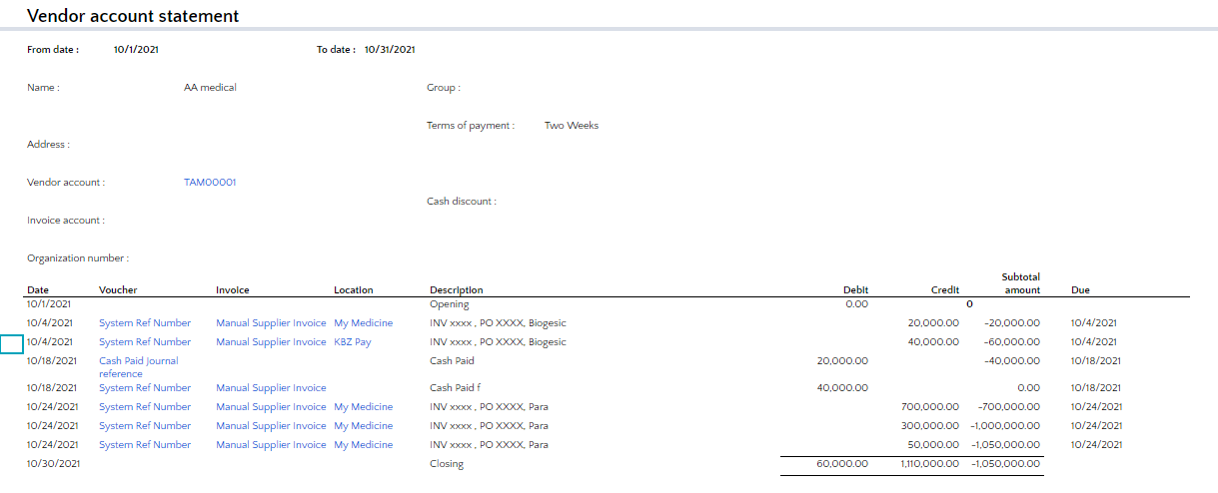
Vendor Account Statement
ok

Vendor Balance List
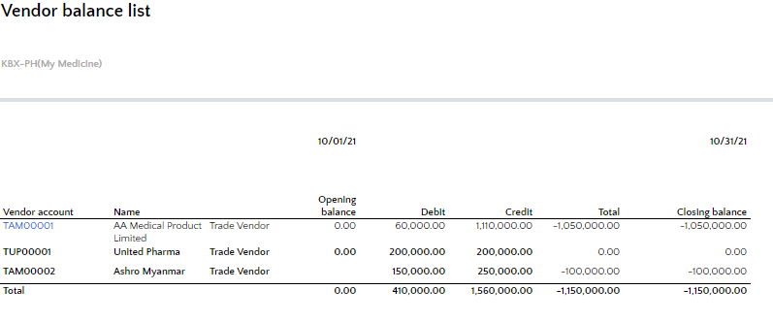
complete

Vendor Aging Report

PO report

We would like to include below columns in the PO Report as horizontal,
Vendor
Vendor Name
Actual Vendor Name
Purchase order
GRN No.
GRN Date
GRN Voucher
Item
Item Name
Old Item
Purch UOM
Unit Price
Discount
Discount (%)
Currency
Ordered Qty
Qty Received
Remain Qty
Receipt Amount
Invoice
Invoice Date
Internal Voucher
Invoice description
Invoiced Qty
Tax Amount
Line Amount
Invoiced Amount(W/O Header Disc)
Header Disc Per
Header Disc Amount
Warehouse
Invoice Amount

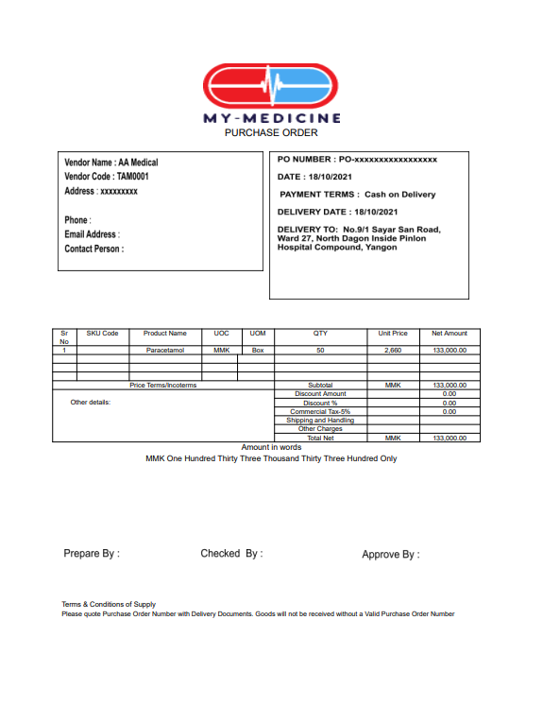
PO Print on PDF
8

